7.2
Indicator 7.2: Portal user-friendliness
User-friendliness |  |  |  |  | Visual harmonisation score
7.2.1 User-friendliness | Date [1] | Portal [2] |  |  | 7.2.2 Visual Harmonisation score | Date | Portal | Visual harmonisation score
 | 2018-10-05 | Geology | Figures have been downloaded here |  |  | 2018-10-05 | Geology | 50
Page | Average duration of visit |  | Trend* (%) | Page Type [3] | Harmonisation elements | Description |  | Score [1] | Trend
 | Last Report | Actual Report
Data Products | 0:00:54 | 0:00:46 | -14.814814815 | Navigation |  |  |  | (3 1 0) | (+ - =)
Services | 0:01:23 | 0:01:23 | 0 | Navigation | Logo usage | subtotal | subtotal | 9/12
Map Viewer | 0:01:34 | 0:01:40 | 6.3829787234 | Content | Logo position |  |  | 3 | (+ - =)
Contribute | 0:00:51 | 0:01:05 | 27.450980392 | Navigation | Logo type |  |  | 3
[1] Date is the date of measurement, preferably on the 1st of each month. |  |  |  |  | Logo size |  |  | 3
[2] Portal is the portal’s name. |  |  |  |  | Logo url |  | Thematic logo at the top left of the home page links to the specific portal EMODnet compact at the footer links to the Central Portal | 0
[3] Three different types of pages have been defined: content page [maps, tables, articles…], |  |  |  |  | Font usage | subtotal | subtotal | 13/15
navigation page [menus, lists of links for services or other kinds of content…], landing page (see the Monitoring Support Document). |  |  |  |  | Font type |  | Wrong font for titles | 1 | (+ - =)
 |  |  |  |  | Font usage (capital letters, etc.) |  |  | 3
Automatic user flow |  |  |  |  | Font spacing |  |  | 3
 |  |  |  |  | Font colour |  |  | 3
 |  |  |  |  | Font justification |  |  | 3
 |  |  |  |  | Webportal header | subtotal |  | 12/21
 |  |  |  |  | Pattern usage |  |  | 3
Usage of the portals on different devices |  |  |  |  | Header size |  |  | 3
 |  |  |  |  | Search box |  |  | 3
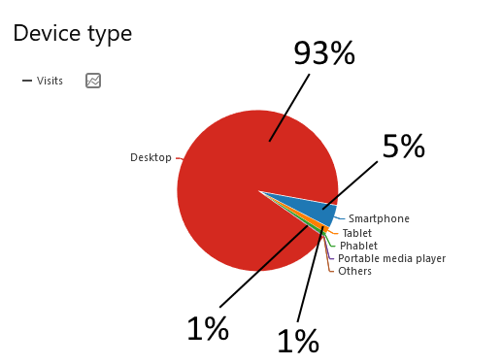
 |  |  |  |  | Contact Us button |  |  | 0
 |  |  |  |  | Submit Data button |  |  | 0
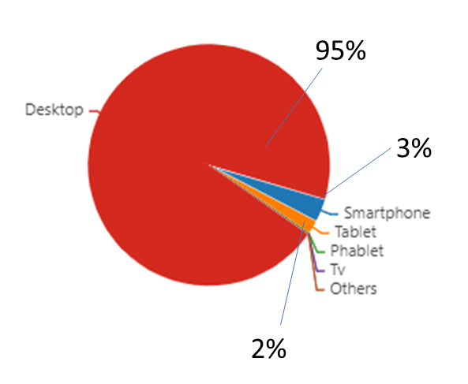
 |  |  |  |  | Favicon |  |  | 0
 |  |  |  |  | Stripline colour |  |  | 3
 |  |  |  |  | Footer structure | subtotal |  | 9/21 | (+ - =)
 |  |  |  |  | Footer size |  |  | 0
 |  |  |  |  | Footer elements |  |  | 0
 |  |  |  |  | Footer visuals |  |  | 0
 |  |  |  |  | EC Acknowledgement |  |  | 3
 |  |  |  |  | EC flag |  |  | 3
 |  |  |  |  | Link to social media |  |  | 3
 |  |  |  |  | Social Media icons |  |  | 0
 |  |  |  |  | Policy Privacy | subtotal |  | 3/6
 |  |  |  |  | Presence |  |  | 3 | (+ - =)
 |  |  |  |  | GDPR compliant
 |  |  |  |  | Main menu | subtotal |  | 1/12
 |  |  |  |  | User experience |  | Menu is uncorrectly alligned | 1 | (+ - =)
 |  |  |  |  | Sub menu |  |  | 0
 |  |  |  |  | Menu tabs terminology |  |  | 0
 |  |  |  |  | Menu size |  |  | 0
 |  |  |  |  | Responsive |  |  | 3/3 | (+ - =)
 |  |  |  |  | [1] Compliant with the visual guidelines (3pt), Not completely compliant with the visual guidelines (1pt), Not compliant (0 pt).

