10-12
Indicator 10. Visibility & Analytics for web pages

Indicator 11. Visibility & Analytics for web sections

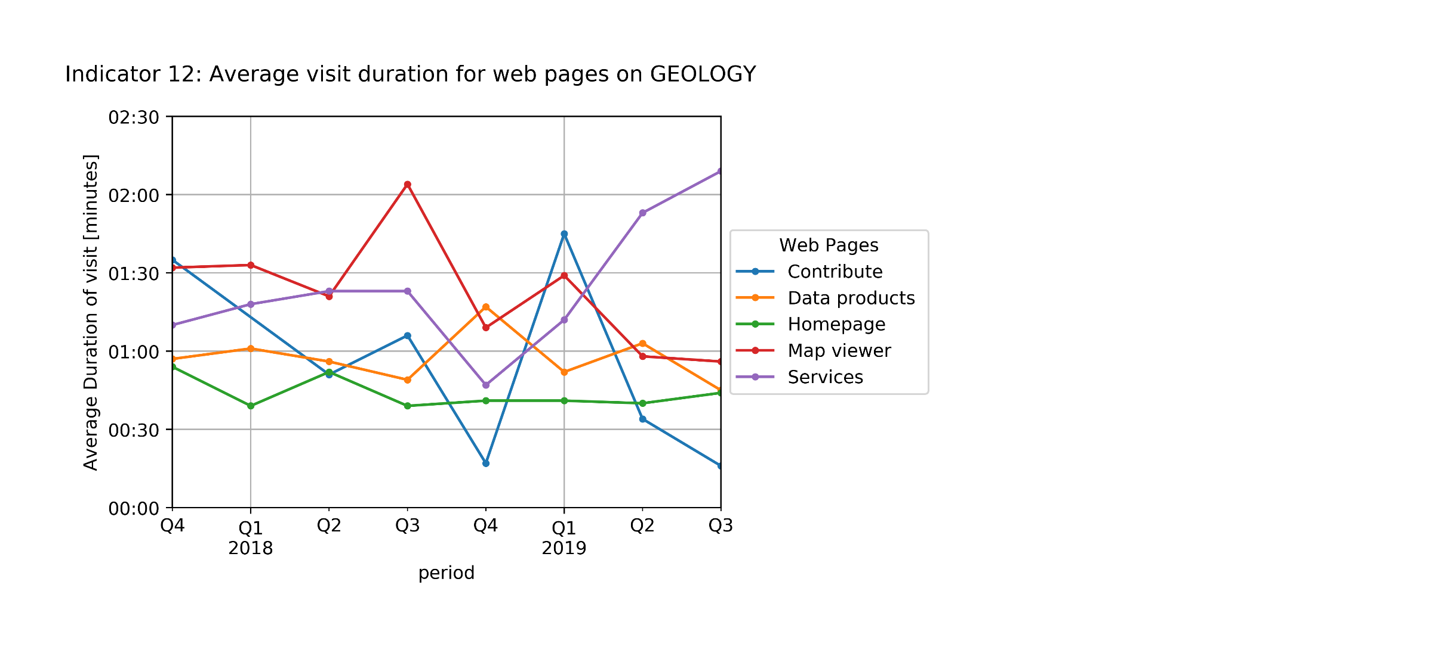

Indicator 12. Average visit duration for web pages

