8
Indicator 8: Portal & Social Media visibility
8.1 Visibility & Analytics (Portal overview) | Reporting date | Portal name | Analytics tool
 | 2020-04-01 | Geology | Matomo
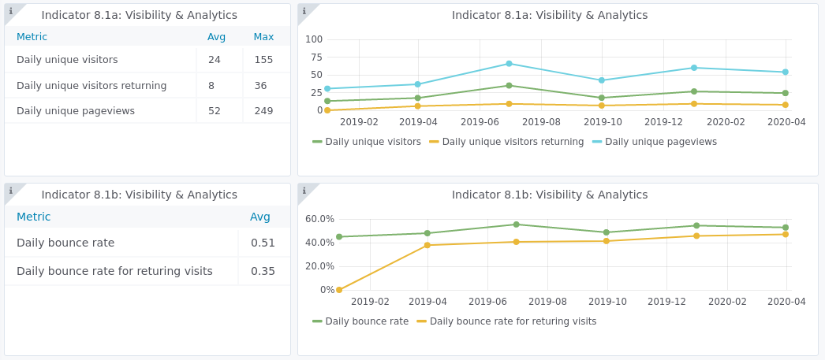

8.2 SEO assessment -Brand monitoring | Reporting date | Portal name | Analytics tool
 | 2020-04-01 | Geology | SEMrush
URL | BM scores [1] | Total Mentions | Mentions with backlinks
No mentions
[1] Measures the domain's authority on a 100-point scale, based on SEMrush’s Domain Score.

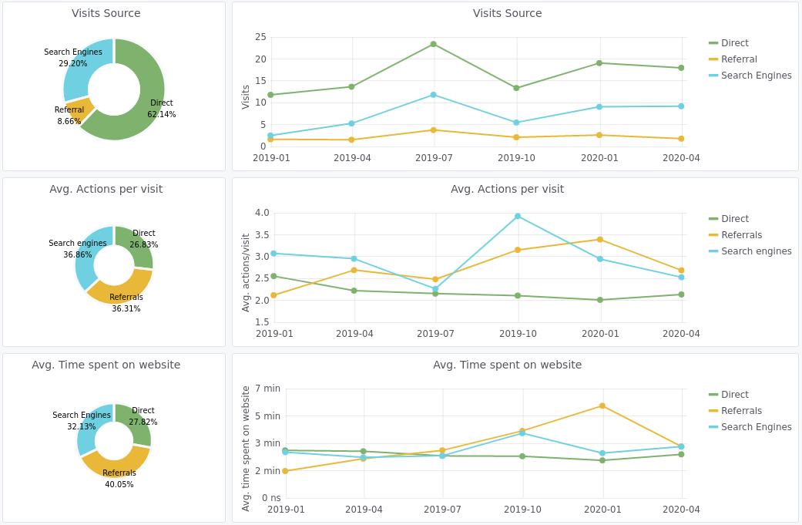
8.3 SEO assessment - Acquisitions | Reporting date | Portal name | Analytics tool
 | 2020-04-01 | Geology | Matomo
 | Acquisitions |  | Behaviour

8.4 SEO assessment - Performances | Reporting date | Portal name | Analytics tool
 | 2020-04-01 | Geology | SEMrush
Keyword | Volume | Portal position
seabed substrate | n/a | 1
seabed lithology | n/a | 2
submerged landscapes | 10 | 7
coastline migration | n/a | 15
geological events | 590 | 70
aggregate resources | 110 | n/a
stratigraphy | 6600 | n/a
sea-floor geology | 10 | n/a
sediment accumulation rate | 10 | n/a

9
Indicator 9.1: Technical monitoring
9.1 Technical monitoring | Reporting date | Portal name
 | 2020-04-01 | Geology
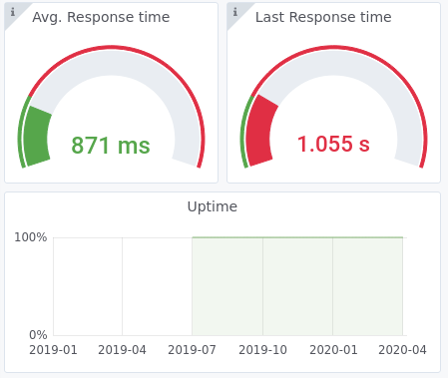

Indicator 9.2: Portal user-friendliness
9.2 Visual Harmonisation score | Reporting date | Portal name | Visual harmonisation score
 | 2020-04-01 | Geology | 63
Harmonisation elements | Description |  | Score [1] (3 1 0) | Trend (+ - =)

Logo usage | subtotal |  | 2019-12-12 | (+ - =)
Logo position |  |  | 3 | +
Logo type |  |  | 3 | =
Logo size |  |  | 3 | =
Logo url |  |  | 3 | +
Font usage | subtotal |  | 13/15 | (+ - =)
Font type |  | Wrong font type everywhere except for the logo | 1 | =
Font usage (capital letters, etc.) |  |  | 3 | =
Font spacing |  |  | 3 | =
Font colour |  |  | 3 | =
Font justification |  |  | 3 | =
Webportal header | subtotal |  | 13/21 | (+ - =)
Pattern usage |  |  | 3 | =
Header size |  |  | 3 | =
Search box |  | The search box should be in the header, not in the blue bar | 1 | =
Contact Us button |  |  | 0 | =
Submit Data button |  |  | 0 | =
Favicon |  |  | 3 | =
Stripline colour |  |  | 3 | =
Footer structure | subtotal |  | 16/21 | (+ - =)
Footer size |  |  | 0 | =
Footer elements |  | The bottom part of the footer should be removed and the brexit disclaimer should be moved next to Privacy Policy Statement | 1 | +
Footer visuals |  |  | 3 | +
EC Acknowledgement |  |  | 3 | =
EC flag |  |  | 3 | =
Link to social media |  |  | 3 | =
Social Media icons |  |  | 3 | +
Policy Privacy | subtotal |  | 2020-06-06 | (+ - =)
Presence |  |  | 3 | =
GDPR compliant [2] |  |  | 3 | =
Main menu | subtotal |  | 2019-06-03 | (+ - =)
User experience |  |  | 3 | =
Sub menu |  |  | - | =
Menu tabs terminology |  |  | - | =
Menu size |  |  | 0 | =
Responsive |  |  |  | (+ - =)
[1] Compliant with the visual guidelines (3pt), Not completely compliant with the visual guidelines (1pt), Not compliant (0 pt).
[2] The “GDPR compliant” parameter is aimed at evaluating the correct adoption of the GDPR elements related to websites. The parameter doesn’t assess the Privacy Policy text per se, as this must be done by legal experts. The total score is the result of the assessment of the following elements:

SSL: The website MUST have an SSL Certificate
Cookies: The Cookies notification must be visible
Forms:
All webforms must have checkboxes stating “I accept the Privacy Policy” with a link to the Privacy Policy
All webforms must clearly indicate what mailing service is used and it has to be reported in the Privacy Policy
Where a Newsletter signup exists, the website needs to indicate WHY user’s personal data is collected
Layout:
The Privacy Policy must be linked in all the webpages

10-12
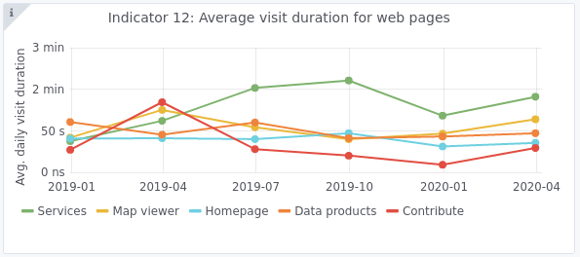
Indicator 10. Visibility & Analytics for web pages

Indicator 11. Visibility & Analytics for web sections

Indicator 12. Average visit duration for web pages

