8(Analytics)
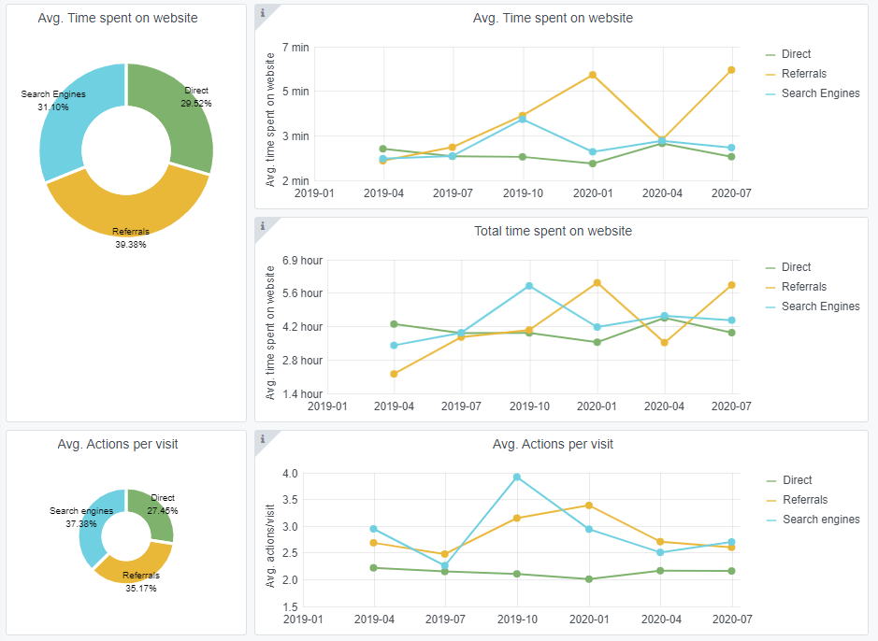
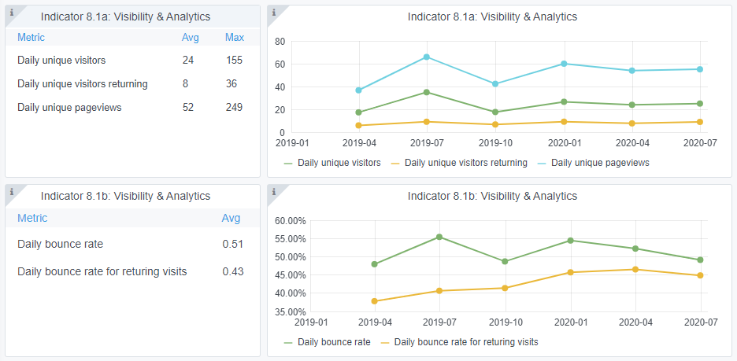
Copy-paste screenshots of the graphs of the information from dashboard
Indicator 8: Portal & Social Media visibility
8.1 Visibility & Analytics (Portal overview)
Reporting date | Portal name | Analytics tool
2020-07-01 | GEOLOGY | Matomo
Daily unique visitors | 2000
Returning | 826
Unique pageviews | 5000

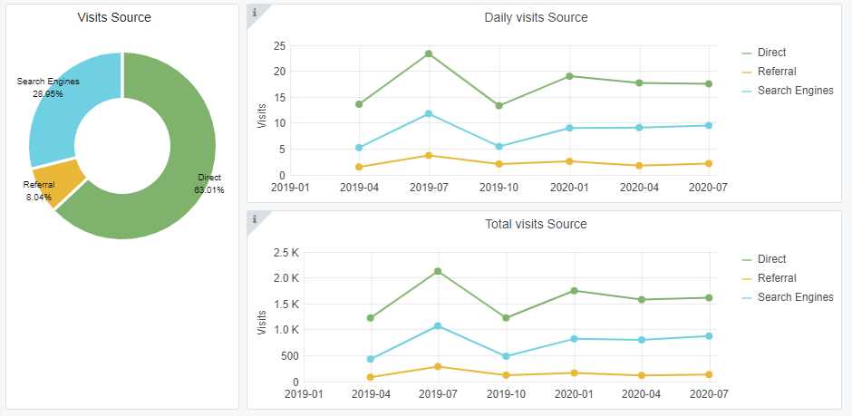
8.3 SEO assessment - Acquisitions
Reporting date | Portal name | Analytics tool
2020-07-01 | GEOLOGY | Matomo

10-12(User stats)
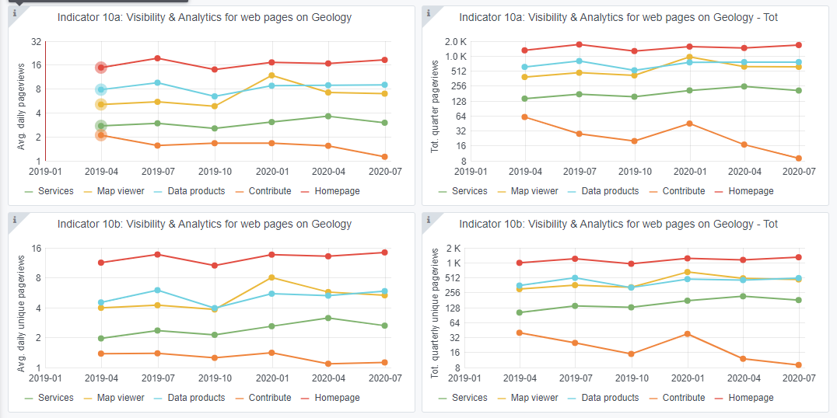
Copy-paste screenshots of the graphs of the information from dashboard
Please refer to "Explanation of the trends and statistics" below
Indicator 10: Visibility & Analytics for web pages

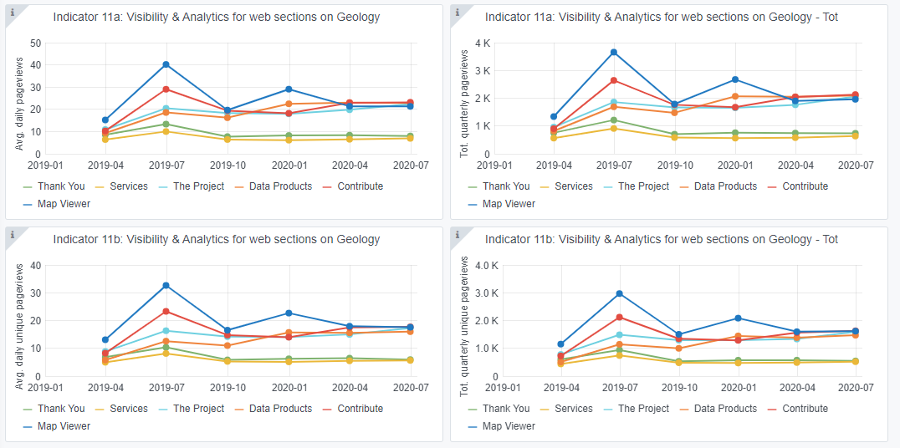
Indicator 11: Visibility & Analytics for web sections

Indicator 12: Average visit duration for web pages

Explanation of the trends and statistics
10) Visibility & analytics for web pages | Trend is unchanged since last quarter except contribution which may be because few new projects are being planned at this time of hear.
11) Visibility & analytics for web sections | Trend is unchanged since last quarter.
12) Average visit duration for web pages | Trend is unchanged since last quarter.

