8(User friendliness)
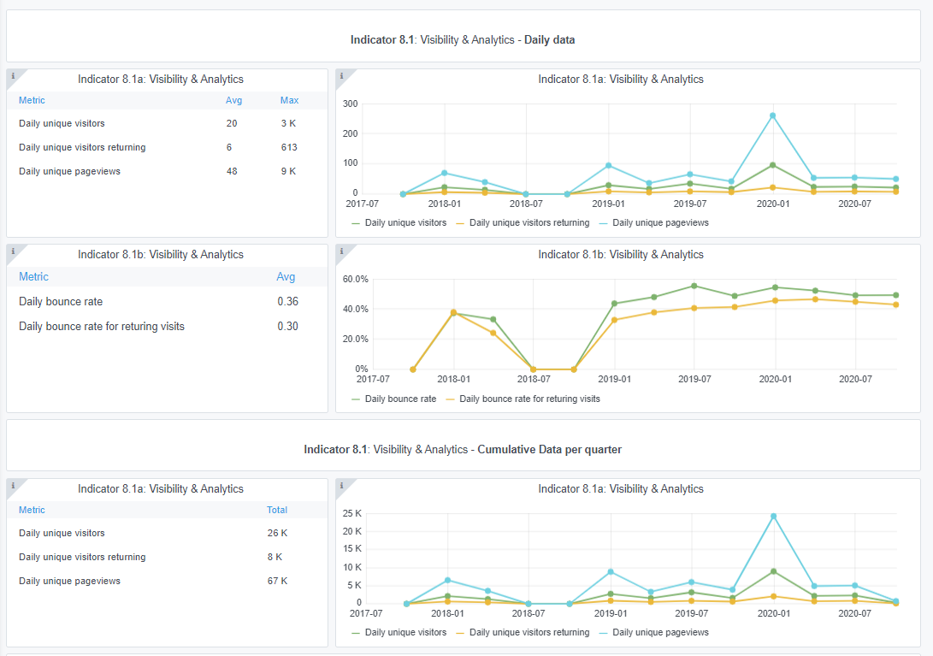
Please refer to "Explanation of the trends and statistics" below
Indicator 8.1: Technical monitoring
Copy-paste screenshot of the graphs of the information from dashboard
Reporting date | Portal name
2020-10-01 | GEOLOGY

Indicator 8.2: Portal user-friendliness: visual harmonisation score
The scores are provided by Trust-IT
Reporting date | Portal name | Visual harmonisation score
2020-10-01 | GEOLOGY
Harmonisation elements | Description | Score [1] (3 1 0) | Trend (+ - =)

Logo usage | subtotal | /12
Logo position |  |  | (+ - =)
Logo type
Logo size
Logo url
Font usage | subtotal | /15
Font type |  |  | (+ - =)
Font usage (capital letters, etc.)
Font spacing
Font colour
Font justification
Webportal header | subtotal | /21
Pattern usage
Header size
Search box
Contact Us button
Submit Data button
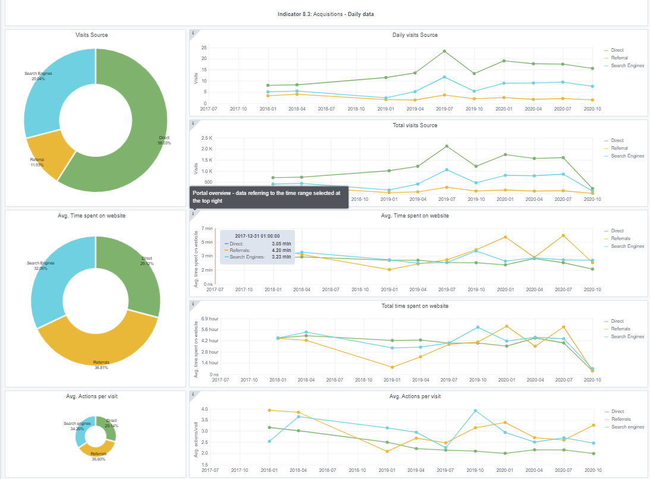
Favicon
Stripline colour
Footer structure | subtotal | /21 | (+ - =)
Footer size
Footer elements
Footer visuals
EC Acknowledgement
EC flag
Link to social media
Social Media icons
Policy Privacy | subtotal | /6
Presence |  |  | (+ - =)
GDPR compliant [2]
Main menu | subtotal | /12
User experience |  |  | (+ - =)
Sub menu
Menu tabs terminology
Menu size
Responsive |  |  | (+ - =)
[1] Compliant with the visual guidelines (3pt), Not completely compliant with the visual guidelines (1pt), Not compliant (0 pt).
[2] The “GDPR compliant” parameter is aimed at evaluating the correct adoption of the GDPR elements related to websites. The parameter doesn’t assess the Privacy Policy text per se, as this must be done by legal experts. The total score is the result of the assessment of the following elements:

SSL: The website MUST have an SSL Certificate
Cookies: The Cookies notification must be visible
Forms:
All webforms must have checkboxes stating “I accept the Privacy Policy” with a link to the Privacy Policy
All webforms must clearly indicate what mailing service is used and it has to be reported in the Privacy Policy
Where a Newsletter signup exists, the website needs to indicate WHY user’s personal data is collected
Layout:
The Privacy Policy must be linked in all the webpages

Explanation of the trends and statistics
8.1) Technical monitoring | xxx
8.2) Visual Harmonisation score | xxx

9-10-11(User stats)
Copy-paste screenshots of the graphs of the information from dashboard
Please refer to "Explanation of the trends and statistics" below
Indicator 9: Visibility & Analytics for web pages

Indicator 10: Visibility & Analytics for web sections

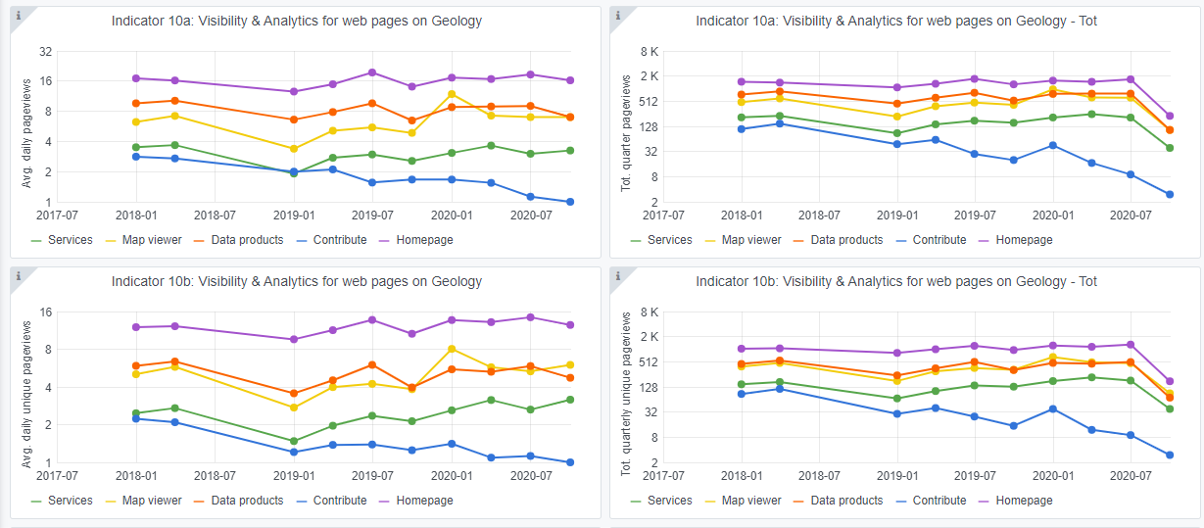

Indicator 11: Average visit duration for web pages

Explanation of the trends and statistics
9) Visibility & analytics for web pages | Satisfactory response times.
10) Visibility & analytics for web sections | Decrease in contribute page view after making the page less prominent.
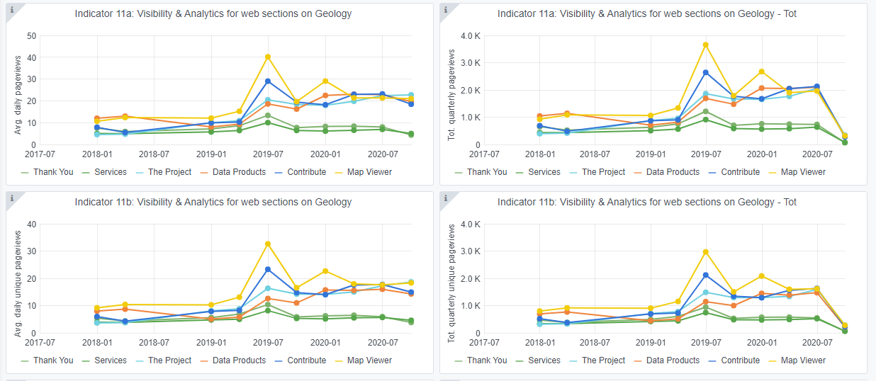
11) Average visit duration for web pages | The trend is stable.

